ME Piston Ring & Liner Abstract
Vessel: UOG SYROS |  |  |  | IMO NO:9472751 |  |  |  |  | Builder/no: AA4154
Number of Cylinders: 6 |  | Eng. Type: 6S50MC-C |  | Eng. Hrs : 63678 |  |  |  | Checked by: 2E |  |  |  |  | Date: 22/11/2023
weeks pr.port calls: |  |  | Normal Service load (%of MCR) 60% |  |  |  |  |  | MEP lubricator type (Y/N): N
Cyl.oil consump.(1/24 hrs): 270 LTRS at load 60 % |  |  |  | Cyl.oil type: BN 40 |  |  |  |  | Position: Exhaust Manoeuvre
 | Condition and Symbol |  | Cylinder No.
 |  |  | Engine Part | 1 | 2 | 3 | 4 | 5 | 6 | 7 | 8 | 9 | 10 | 11 | 12
 | Intact-* Burning-BU Leaking oil-LO Leaking water-LW |  | Piston crown | * | * | * | * | * | *

 | Piston top burning (Use template and filler gauge if accessible, If not accessible do visual inspection) |  | Piston top (mm) | * | * | * | * | * | *
Ring Gap (clearance) | Measure distance for Upper side of Piston ring (mm ) Strike whichever not relevant |  | Top | 0.4 | 0.45 | 0.6 | 0.45 | 0.3 | 0.4
 |  |  | 2nd | 0.35 | 0.4 | 0.6 | 0.55 | 0.3 | 0.35
 |  |  | 3rd | 0.3 | 0.3 | 0.25 | 0.3 | 0.3 | 0.35
 |  |  | 4th | 0.35 | 0.3 | 0.35 | 0.4 | 0.3 | 0.35
 |  |  | CL-grooves depth
 |  |  | CPR -grooves depth (Applicable for CC Piston ring)
Deposits | No deposit-* Light deposit-LC Medium deposit-MC Excessive deposit-EC Polished deposit-PC |  | Top land | LC | LC | LC | LC | LC | LC
 |  |  | Ringland 1 | * | * | * | * | * | *
 |  |  | Ringland 2 | * | * | * | * | * | *
 |  |  | Ringland 3 | * | * | * | * | * | *
Ring breakage | Intact-* Collapsed - C Broken opposite ring gap -BO Broken near Gap- BN Several pieces- SP Entirely missing- M |  | Ring 1 | * | * | * | * | * | *
 |  |  | Ring 2 | * | * | * | * | * | *
 |  |  | Ring 3 | * | * | * | * | * | *
 |  |  | Ring 4 | * | * | * | * | * | *
Ring Movement | Loose- * Sluggish - SL Sticking- ST |  | Ring 1 | * | * | * | * | * | *
 |  |  | Ring 2 | * | * | * | * | * | *
 |  |  | Ring 3 | * | * | * | * | * | *
 |  |  | Ring 4 | * | * | * | * | * | *
Surface condition | Clean, smooth-* Running surface, Black, overall - B Running surface, Black, Partly - (B) Black ring ends > 100 mm - BR Scratches (Vertical) -S Micro - Seizures (local) -mz Micro-Seizure, still active -MAZ Old MZ-OZ Machining marks still visible -** Wear -ridges near scav.ports - WR Scuffing -SC Clover -leaf wear-CL Rings sharp-ended Top/Bot. |  | Ring 1 | * | * | * | * | * | *
 |  |  | Ring 2 | * | * | * | * | * | *
 |  |  | Ring 3 | * | * | * | * | * | *
 |  |  | Ring 4 | * | * | * | * | * | *
 |  |  | Piston skirt | * | * | * | * | * | *
 |  |  | Piston rod | * | * | * | * | * | *
 |  |  | Cylinder liner abv. Scav.ports | ** | ** | ** | ** | ** | **
 |  |  | Cylinder liner near Scav.ports | ** | ** | ** | ** | ** | **
Lubrication condition | Optimal - * Too much oil -O Slightly dry-D Very dry - DO Black oil -BO |  | Ring 1 | * | * | * | * | * | *
 |  |  | Ring 2 | * | * | * | * | * | *
 |  |  | Ring 3 | * | * | * | * | * | *
 |  |  | Ring 4 | * | * | * | * | * | *
 |  |  | Piston skirt | * | * | * | * | * | *
 |  |  | Piston rod | * | * | * | * | * | *
 |  |  | Cylinder liner | * | * | * | * | * | *
Deposits | No sludge - * Sludge -S Much sludge-MS |  | Scavenge box | S | S | S | S | S | S
 |  |  | Scav.receiver | S | S | S | S | S | S
 | Intact -* |  | Flaps and nonreturn Valves | * | * | * | * | * | *
Running hours since last overhaul |  |  |  | 11296 | 11296 | 1376 | 1033 | 1744 | 399
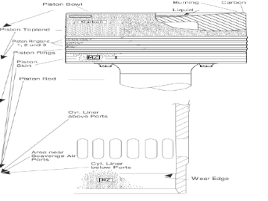
 | Condition and Symbol |  |  |  |  |  |  |  | Lubrication condition | Optimal - * Too much oil -O Slightly dry-D Very dry - DO Black oil -BO

 | Intact-* Burning-BU Leaking oil-LO Leaking water-LW

Deposits | No deposit-* Light deposit-LC Medium deposit-MC Excessive deposit-EC Polished deposit-PC
 |  |  |  |  |  |  |  |  | Deposits | No sludge - * Sludge -S Much sludge-MS

 |  |  |  |  |  |  |  |  |  | Intact -*
Ring breakage | Intact-* Collapsed - C Broken opposite ring gap -BO Broken near Gap- BN Several pieces- SP Entirely missing- M

Ring Movement | Loose- * Sluggish - SL Sticking- ST

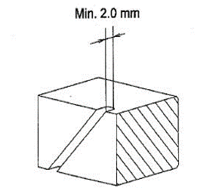
Surface condition | Clean, smooth-* Running surface, Black, overall - B Running surface, Black, Partly - (B) Black ring ends > 100 mm - BR Scratches (Vertical) -S Micro - Seizures (local) -mz Micro-Seizure, still active -MAZ Old MZ-OZ Machining marks still visible -** Wear -ridges near scav.ports - WR Scuffing -SC Clover -leaf wear-CL Rings sharp-ended Top/Bot.

 |  |  | CPR groove depth
Cermet-coating thickness action table | Above 100 micron -No action 100-50 micron 50-20 micron -Overhaul at first opportunity Table 1: Cermet coating thickness action table. Thickness measurements of 20 micron or less should be interpreted as no remaining coating due to the inaccuracy of most coating thickness measuring gauges.

Coating Thickness
*Note: This section is applicable only for the vessel fitted with ceramic coated piston ring
MAIN ENGINE piston ring CC coating measurement during scavenge port inspection |  |  |  |  |  |  |  |  | 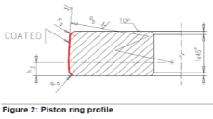
CHROME-CERAMIC (CC) COATING REMAINING THICKNESS MEASUREMENT OF PISTON RINGS (Vessel to purchase special tool (Tool No. 94356) for measuring piston ring coating thickness)
Wear of the CC coating can be monitored by means of a CC coating thickness measurement tool, 94356. (Calibrate tool before use)
MAIN ENGINE: |  | HYUNDAI MAN B&W |  | INSRTUMENT USED : |  |  |  |  |  | Measurement of CC coating thickness on piston rings is to be done within the interval of 1500 to 2000 M/E operating hours.
ENGINE TYPE: |  | 6S50 MC-C7 |  | CERTIFICATE NUMBER :
SERIAL NUMBER: |  |  |  | DATE : |  |  | 1 mm = 1000 microns
Cylinder Oil in Use: |  | TARO ULTRA 40 |  | CYLINDER OIL BN : |  | 40 | NO.1 RING CC WEAR LIMIT = 0.05 mm (50 micron) and NO.2 & NO.3 RINGS CC WEAR LIMIT = 0.02 mm (20 micron)
MAIN ENGINE RUNNING HOURS (T2) = |  |  | 24 | hrs | DATE:
PREVIOUS ME RUNNING HOURS (T1) = |  |  | 23 | hrs | DATE:
CYLINDER NUMBER |  | PISTON RING NUMBER | PREVIOUS MEASUREMENT (In micron) |  |  |  | PRESENT MEASUREMENT (In micron) |  |  |  | Wear Rate (WR) mm/1000 hrs | Life Time (LT) (Hrs)
 |  |  | FWD | AFT | Port Side | D1 (micron) | FWD | AFT | Port Side | D2 (micron)
CYLINDER 1 |  | PISTON RING # 1 (Top) | 1 | 2 | 3 | 2 |  |  | 6 | 6 | -4.000 | -1

 |  | PISTON RING # 2 (Middle/Top) | 1 | 2 | 3 | 2 |  |  | 6 | 6 | -4.000 | -1
Piston ring running hrs
 |  | PISTON RING #.3 (Bottom) |  | 2 | 6 | 4 |  | 3 |  | 3 | 1.000 | 3

 |  | PISTON RING #.4 (Bottom) |  | 2 | 7 | 5 |  | 4 |  | 4 | 0.500 | 8

CYLINDER 2 |  | PISTON RING # 1 (Top) | 2 |  |  | 2 | 3 |  |  | 6 | 8.000 | 1

 |  | PISTON RING # 2 (Middle/Top) | 22 |  |  | 22 | 3 |  |  | 3 | 19.000 | 0
Piston ring running hrs
 |  | PISTON RING #.3 (Bottom) | 2 |  |  | 2 | 3 |  |  | 3 | -1.000 | -3

 |  | PISTON RING #.4 (Bottom) | 2 |  |  | 2 | 3 |  |  | 3 | -1.000 | -3

CYLINDER 3 |  | PISTON RING # 1 (Top) | 2 |  |  | 2 | 3 |  |  | 3 | -1.000 | -3

 |  | PISTON RING # 2 (Middle/Top) | 2 |  |  | 2 | 3 |  |  | 3 | -1.000 | -3
Piston ring running hrs
 |  | PISTON RING #.3 (Bottom) | 2 |  |  | 2 | 3 |  |  | 3 | -1.000 | -3

 |  | PISTON RING #.4 (Bottom) | 2 |  |  | 2 | 3 |  |  | 3 | -1.000 | -3

CYLINDER 4 |  | PISTON RING # 1 (Top) | 2 |  |  | 2 | 3 |  |  | 3 | -1.000 | -3

 |  | PISTON RING # 2 (Middle/Top) | 2 |  |  | 2 | 3 |  |  | 3 | -1.000 | -3
Piston ring running hrs
 |  | PISTON RING #.3 (Bottom) | 2 |  |  | 2 | 3 |  |  | 3 | -1.000 | -3

 |  | PISTON RING #.4 (Bottom) | 2 |  |  | 2 | 3 |  |  | 3 | -1.000 | -3

CYLINDER 5 |  | PISTON RING # 1 (Top) | 2 |  |  | 2 | 3 |  |  | 3 | -1.000 | -3

 |  | PISTON RING # 2 (Middle/Top) | 2 |  |  | 2 | 3 |  |  | 3 | -1.000 | -3
Piston ring running hrs
 |  | PISTON RING #.3 (Bottom) | 2 |  |  | 2 | 3 |  |  | 3 | -1.000 | -3

 |  | PISTON RING #.4 (Bottom) | 2 |  |  | 2 | 3 |  |  | 3 | -1.000 | -3

CYLINDER 6 |  | PISTON RING # 1 (Top) | 2 |  |  | 2 | 3 |  |  | 3 | -1.000 | -3

 |  | PISTON RING # 2 (Middle/Top) | 2 |  |  | 2 | 3 |  |  | 3 | -1.000 | -3
Piston ring running hrs
 |  | PISTON RING #.3 (Bottom) | 2 |  |  | 2 | 3 |  |  | 3 | -1.000 | -3

 |  | PISTON RING #.4 (Bottom) | 2 |  |  | 2 | 3 |  |  | 3 | -1.000 | -3

CYLINDER 7 |  | PISTON RING # 1 (Top) | 2 |  |  | 2 | 3 |  |  | 3 | -1.000 | -3

 |  | PISTON RING # 2 (Middle/Top) | 2 |  |  | 2 | 3 |  |  | 3 | -1.000 | -3
Piston ring running hrs
 |  | PISTON RING #.3 (Bottom) | 2 |  |  | 2 | 3 |  |  | 3 | -1.000 | -3

 |  | PISTON RING #.4 (Bottom) | 2 |  |  | 2 | 3 |  |  | 3 | -1.000 | -3

CYLINDER 8 |  | PISTON RING # 1 (Top) | 2 |  |  | 2 | 3 |  |  | 3 | -1.000 | -3

 |  | PISTON RING # 2 (Middle/Top) | 2 |  |  | 2 | 3 |  |  | 3 | -1.000 | -3
Piston ring running hrs
 |  | PISTON RING #.3 (Bottom) | 2 |  |  | 2 | 3 |  |  | 3 | -1.000 | -3

 |  | PISTON RING #.4 (Bottom) | 2 |  |  | 2 | 3 |  |  | 3 | -1.000 | -3

CYLINDER 9 |  | PISTON RING # 1 (Top) | 2 |  |  | 2 | 3 |  |  | 3 | -1.000 | -3

 |  | PISTON RING # 2 (Middle/Top) | 2 |  |  | 2 | 3 |  |  | 3 | -1.000 | -3
Piston ring running hrs
 |  | PISTON RING #.3 (Bottom) | 2 |  |  | 2 | 3 |  |  | 3 | -1.000 | -3

 |  | PISTON RING #.4 (Bottom) | 2 |  |  | 2 | 3 |  |  | 3 | -1.000 | -3

CYLINDER 10 |  | PISTON RING # 1 (Top) | 2 |  |  | 2 | 3 |  |  | 3 | -1.000 | -3

 |  | PISTON RING # 2 (Middle/Top) | 2 |  |  | 2 | 3 |  |  | 3 | -1.000 | -3
Piston ring running hrs
 |  | PISTON RING #.3 (Bottom) | 2 |  |  | 2 | 3 |  |  | 3 | -1.000 | -3

 |  | PISTON RING #.4 (Bottom) | 2 |  |  | 2 | 3 |  |  | 3 | -1.000 | -3

CYLINDER 11 |  | PISTON RING # 1 (Top) | 2 |  |  | 2 | 3 |  |  | 3 | -1.000 | -3

 |  | PISTON RING # 2 (Middle/Top) | 2 |  |  | 2 | 3 |  |  | 3 | -1.000 | -3
Piston ring running hrs
 |  | PISTON RING #.3 (Bottom) | 2 |  |  | 2 | 3 |  |  | 3 | -1.000 | -3

 |  | PISTON RING #.4 (Bottom) | 2 |  |  | 2 | 3 |  |  | 3 | -1.000 | -3

CYLINDER 12 |  | PISTON RING # 1 (Top) | 2 |  |  | 2 | 3 |  |  | 3 | -1.000 | -3

 |  | PISTON RING # 2 (Middle/Top) | 2 |  |  | 2 | 3 |  |  | 3 | -1.000 | -3
Piston ring running hrs
 |  | PISTON RING #.3 (Bottom) | 2 |  |  | 2 | 3 |  |  | 3 | -1.000 | -3

 |  | PISTON RING #.4 (Bottom) | 2 |  |  | 2 | 3 |  |  | 3 | -1.000 | -3

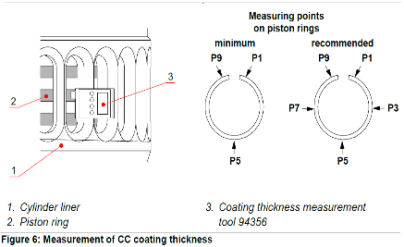
CALCULATING THE WEAR RATE (WR) OF THE PISTON RINGS : ( mm / 1000 hrs) |  |  | WR = | (D1 - D2)
 |  |  |  | (T2 - T1)
T2 = | PRESENT ACTUAL RUNNING HOURS ( hrs )
T1 = | RUNNING HOURS AT PREVIOUS MEASUREMENT ( hrs )
D2 = | ACTUAL COATING THICKNESS ( micron )
D1 = | COATING THICKNESS AT PREVIOUS MEASUREMENT ( micron )

CALCULATING THE REMAINING LIFE TIME (LT) OF PISTON RINGS : (hrs) |  |  | LT = | (D2 - Dmin)
 |  |  |  | WR

D2 = | ACTUAL MEASURED COATING THICKNESS ( micron )
Dmin = | MINIMUM RECOMMENDED COATING THICKNESS ( micron )
WR = | CALCULATED WEAR RATE (mm/1000 hrs)

COMMENTS:
 |  |  |  |  |  | Refer Technical Bulletin RT-135_issue 3 dated 5th October, 2017 for additional guidelines.

Chief Engineer : |  |  |  |  |  | Note : Attach fuel oil bunker analysis report with his measurement.

Sample Photographs
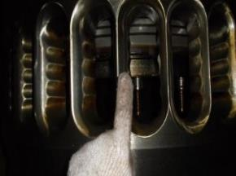
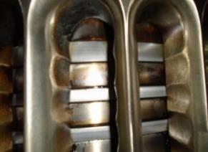
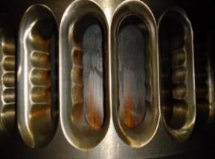
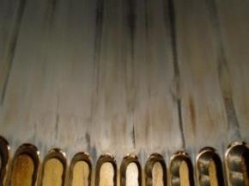
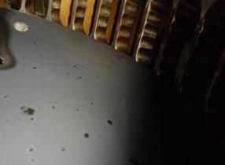
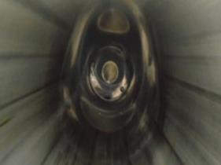
 | PISTON SKIRT COPPER BANDS | PISTON RING PACK | PISTON CROWN (SIDE VIEW ABOVE PISTON RINGS) | LINER RUNNING SURFACE JUST ABOVE SCAVENGE PORTS | PISTON HEAD (TOP VIEW) | LINER FULL SURFACE AND EXHAUST VALVE VIEW
UNIT # 1

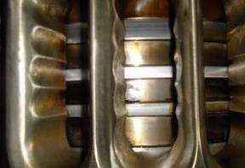
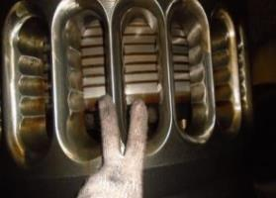
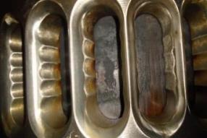
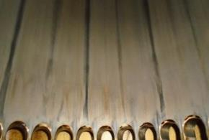
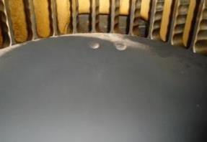
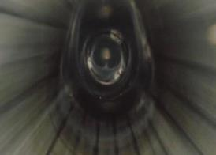
UNIT # 2


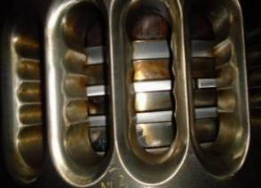
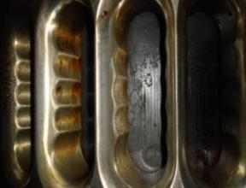
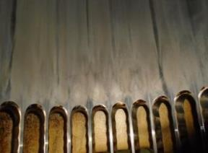
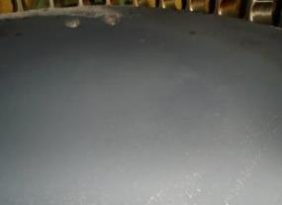
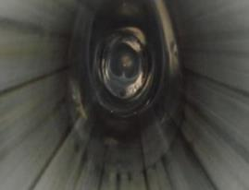
UNIT # 3

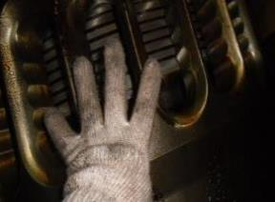
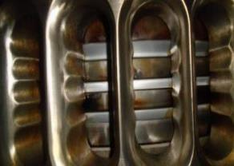
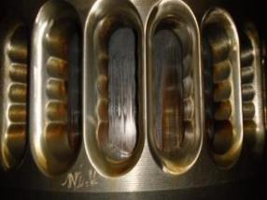
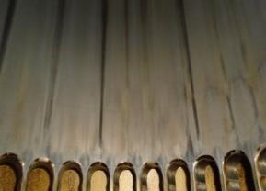
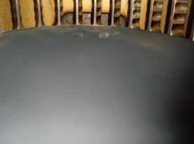
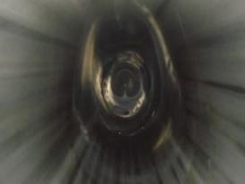
UNIT # 4

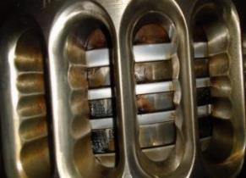
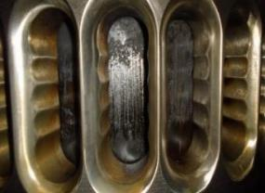
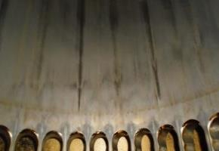
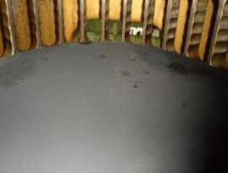
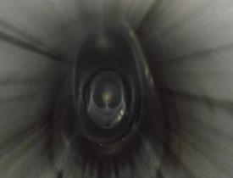
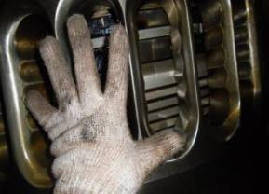 UNIT # 5

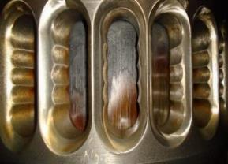
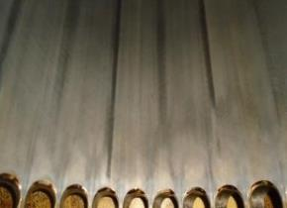
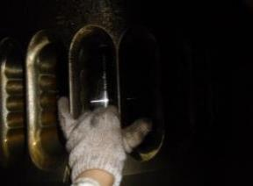
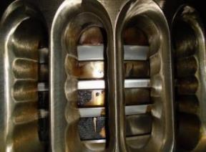
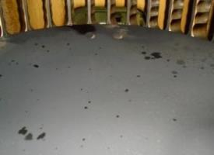
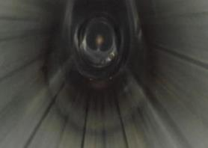
UNIT # 6

Photographs Unit 1
UNIT # 1 | PISTON SKIRT COPPER BANDS | PISTON RING PACK | PISTON CROWN (SIDE VIEW ABOVE PISTON RINGS) | LINER RUNNING SURFACE JUST ABOVE SCAVENGE PORTS
 | 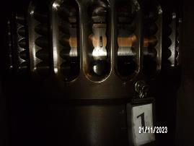 Compress the picture and Paste within the box | 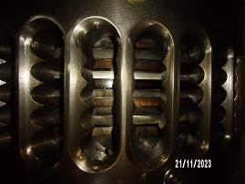 Compress the picture and Paste within the box | 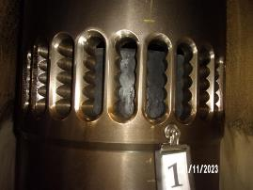 Compress the picture and Paste within the box | 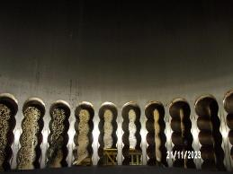 Compress the picture and Paste within the box

 | PISTON HEAD (TOP VIEW) | LINER FULL SURFACE AND EXHAUST VALVE VIEW | GLAND (STUFFING) BOX AREA VIEW | VIEWS OF AUX. BLOWER FLAPS / WATER SEPARATOR / AUX BLOWER IMPELLER / DRAINS
 | 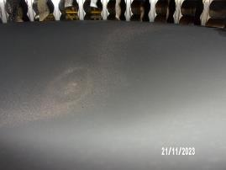 Compress the picture and Paste within the box | 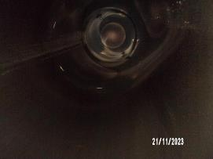 Compress the picture and Paste within the box | 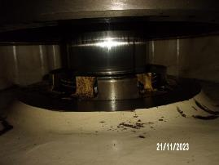 Compress the picture and Paste within the box | 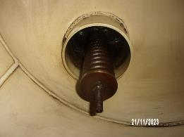 Compress the picture and Paste within the box

Photographs Unit 2
UNIT # 2 | PISTON SKIRT COPPER BANDS | PISTON RING PACK | PISTON CROWN (SIDE VIEW ABOVE PISTON RINGS) | LINER RUNNING SURFACE JUST ABOVE SCAVENGE PORTS
 | 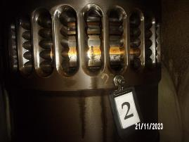 Compress the picture and Paste within the box | 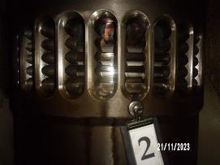 Compress the picture and Paste within the box | 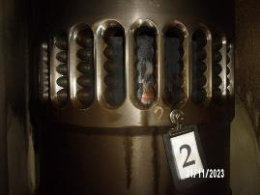 Compress the picture and Paste within the box |  Compress the picture and Paste within the box

 | PISTON HEAD (TOP VIEW) | LINER FULL SURFACE AND EXHAUST VALVE VIEW | GLAND (STUFFING) BOX AREA VIEW | VIEWS OF AUX. BLOWER FLAPS / WATER SEPARATOR / AUX BLOWER IMPELLER / DRAINS
 |  Compress the picture and Paste within the box |  Compress the picture and Paste within the box |  Compress the picture and Paste within the box |  Compress the picture and Paste within the box

Photographs Unit 3
UNIT # 3 | PISTON SKIRT COPPER BANDS | PISTON RING PACK | PISTON CROWN (SIDE VIEW ABOVE PISTON RINGS) | LINER RUNNING SURFACE JUST ABOVE SCAVENGE PORTS
 |  Compress the picture and Paste within the box |  Compress the picture and Paste within the box |  Compress the picture and Paste within the box |  Compress the picture and Paste within the box

 | PISTON HEAD (TOP VIEW) | LINER FULL SURFACE AND EXHAUST VALVE VIEW | GLAND (STUFFING) BOX AREA VIEW | VIEWS OF AUX. BLOWER FLAPS / WATER SEPARATOR / AUX BLOWER IMPELLER / DRAINS
 |  Compress the picture and Paste within the box |  Compress the picture and Paste within the box |  Compress the picture and Paste within the box |  Compress the picture and Paste within the box

Photographs Unit 4
 UNIT # 4 | PISTON SKIRT COPPER BANDS | PISTON RING PACK | PISTON CROWN (SIDE VIEW ABOVE PISTON RINGS) | LINER RUNNING SURFACE JUST ABOVE SCAVENGE PORTS
 | Compress the picture and Paste within the box |  Compress the picture and Paste within the box |  Compress the picture and Paste within the box |  Compress the picture and Paste within the box

 | PISTON HEAD (TOP VIEW) | LINER FULL SURFACE AND EXHAUST VALVE VIEW | GLAND (STUFFING) BOX AREA VIEW | VIEWS OF AUX. BLOWER FLAPS / WATER SEPARATOR / AUX BLOWER IMPELLER / DRAINS
 |  Compress the picture and Paste within the box |  Compress the picture and Paste within the box |  Compress the picture and Paste within the box |  Compress the picture and Paste within the box

Photographs Unit 5
UNIT # 5 | PISTON SKIRT COPPER BANDS | PISTON RING PACK | PISTON CROWN (SIDE VIEW ABOVE PISTON RINGS) | LINER RUNNING SURFACE JUST ABOVE SCAVENGE PORTS
 |  Compress the picture and Paste within the box |  Compress the picture and Paste within the box |  Compress the picture and Paste within the box |  Compress the picture and Paste within the box


 | PISTON HEAD (TOP VIEW) | LINER FULL SURFACE AND EXHAUST VALVE VIEW | GLAND (STUFFING) BOX AREA VIEW | VIEWS OF AUX. BLOWER FLAPS / WATER SEPARATOR / AUX BLOWER IMPELLER / DRAINS
 |  Compress the picture and Paste within the box |  Compress the picture and Paste within the box |  Compress the picture and Paste within the box | Compress the picture and Paste within the box

Photographs Unit 6

 UNIT # 6 | PISTON SKIRT COPPER BANDS | PISTON RING PACK | PISTON CROWN (SIDE VIEW ABOVE PISTON RINGS) | LINER RUNNING SURFACE JUST ABOVE SCAVENGE PORTS
 |  Compress the picture and Paste within the box |  Compress the picture and Paste within the box |  Compress the picture and Paste within the box | Compress the picture and Paste within the box


 | PISTON HEAD (TOP VIEW) | LINER FULL SURFACE AND EXHAUST VALVE VIEW | GLAND (STUFFING) BOX AREA VIEW | VIEWS OF AUX. BLOWER FLAPS / WATER SEPARATOR / AUX BLOWER IMPELLER / DRAINS
 | Compress the picture and Paste within the box |  Compress the picture and Paste within the box |  Compress the picture and Paste within the box | Compress the picture and Paste within the box

